Sheet1
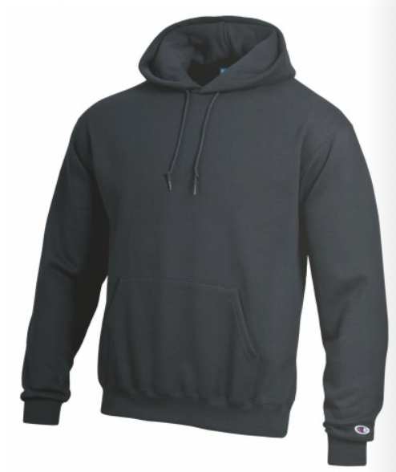
Champion ECO POWERBLEND HOODIES
This is a CHAMPION Eco Hooded Sweatshirt.
It has cover stitching throughout and a two-ply hood.
It has cover stitching throughout and is made with up to 5% recycled polyester from plastic bottles.
Material: 50% cotton and 50% polyester
Weight: 9.0 oz
QUANTITY AVAILABLE: 7,251 units (subject to final count/ subject to prior sale)
assorted colours: dark green, gold, granite, oatmeal, purple, deep purple, white., cardinal
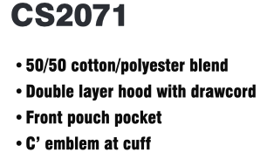
quantity varies by colour and size
Sizes: XS - SXL
Champion "C” logo on left sleeve
All inventory FOB Brantford, ON
RETAIL |  | RETAIL $41.99

REDUCED: $12.99 |  |  | XS | S | M | L | XL | XXL | TOTAL
CS2071 | Black | Champion Eco Powerblend Hood | 18 | 4 | 0 | 0 | 4 | 8 | 34
CS2071 | Gold | Champion Eco Powerblend Hood | 0 | 8 | 164 | 309 | 62 | 0 | 543
CS2071 | Granite Heather | Champion Eco Powerblend Hood | 196 | 240 | 199 | 139 | 132 | 181 | 1087
CS2071 | Maroon | Champion Eco Powerblend Hood | 238 | 47 | 70 | 172 | 73 | 53 | 653
CS2071 | Navy | Champion Eco Powerblend Hood | 45 | 56 | 15 | 52 | 0 | 30 | 198
CS2071 | Oatmeal | Champion Eco Powerblend Hood | 0 | 0 | 0 | 0 | 251 | 0 | 251
CS2071 | Purple | Champion Eco Powerblend Hood | 114 | 0 | 0 | 0 | 0 | 0 | 114
CS2071 | Scarlet Red | Champion Eco Powerblend Hood | 0 | 0 | 197 | 0 | 0 | 0 | 197
CS2071 | Royal Blue | Champion Eco Powerblend Hood | 26 | 90 | 214 | 176 | 233 | 198 | 937
CS2071 | White | Champion Eco Powerblend Hood | 0 | 193 | 417 | 298 | 0 | 0 | 908
CS2071 | Cardinal | Champion Eco Powerblend Hood | 110 | 173 | 503 | 914 | 402 | 227 | 2329
 |  |  |  |  |  |  |  | Total Hoods | 7251
